Furcracea foe. Albo Marginata
DESCRIPTION | FORM | prix | quantité | MIN QUANTITY | Available for June 2023

Furcraea foetida ' Albo marginata' | PLANTS | $4.08 |  | Min. 200 nos & | 3000 Nos.
 |  |  |  | Orders in multiples of 200 nos

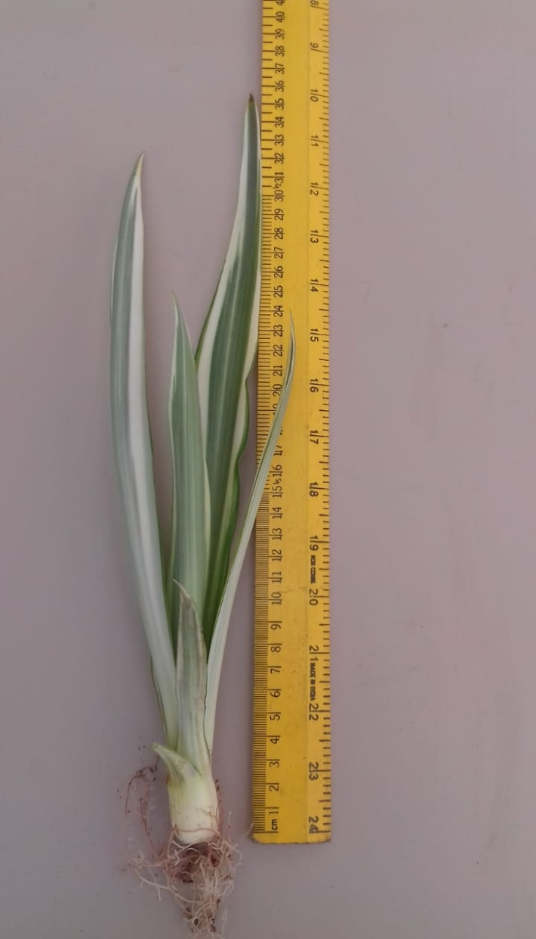
 | image.png

