2024
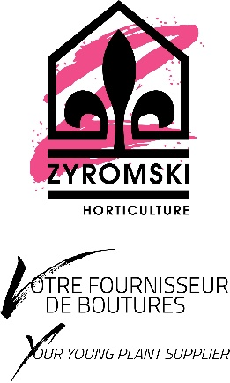
Grosseur Frizzle Sizzle | Prix | Quantité | Par boite
 |  |  | 60x40x23
6+ | 2.26 $ |  | 3000
8+ | 3.05 $ |  | 1400
10+ | 3.91 $ |  | 700
12+ | 4.86 $ |  | 400

Terms and Conditions and Order information:

Phyto certificate | 250 $

