2024
CAUDEX | Prix | Quantité | Qty/box | poids | grosseur | poids brut | Dimension
 |  |  | (Bulbs) | (kg) | /plant (cm) | KG | (cm)
Adenia virdiflora | $4.89 |  | 40 | 0.5+ | 4-8 cm+ | 15 | 28*42*37
Sterculia colorata | $4.89 |  | 40 | 0.3+ | 6-8 cm+ | 11-12 | 28*42*37
Amorphophallus asterostigmatus | $2.32 |  | 130 | 0.1 - 0.2 | 6-8 cm+ | 10-11 | 28*42*37
Amorphophallus paeoniifolius Nicolson 6cm | $3.35 |  | 100 | 0.3+ | 6-8 cm+ | 14 | 28*42*37
 | $-
Stephania erecta/ S | $1.44 |  | 300 | 0.05 | 3-5.5 | 18 | 28*42*37
Stephania erecta/ M | $2.06 |  | 100 | 0.1+ | 6-8 | 18 | 28*42*37
Stephania erecta/ L | $4.64 |  | 50 | 0.5 | 9-13 cm | 21 | 28*42*37
Stephania suberosa | $5.15 |  | 50 | 0.2+ | 5-10+ | 13 | 28*42*37
Terms and Conditions and Order information:
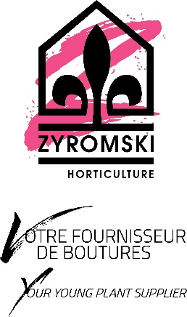
minimum par variété | 1 boite
commande minimum | 1 boite si combiné à une autre livraison, sinon 7500$
frais par boite | $275.00
Phyto | $50.00
Annulations | 3 semaines avant la livraison

