Entête-Header
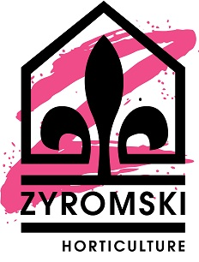
ZYROMSKI HORTICULTURE
1853 chemin Laliberté, Rivière-Rouge (Québec) J0T 1T0
Tél: (819) 275-5156 ou 1-888-905-5156 Fax: (819) 275-7976 ou 1-888-275-7976
www.zyromski.com

2024-2025 BON DE COMMANDE / ORDER FORM
Greenex
Cactus Guatemala

Nom du client / Name

 | Facturation / Billing | Livraison / Shipping
Adresse / Address

Code Postal / Postal Code

Téléphone / Phone
Courriel / E-mail

Acheteur / Buyer
Vous pouvez faire parvenir votre commande à l'adresse suivante: |  | commandes@zyromski.com

A. Semaine / Week: |  | Votre # de référence:
B. Semaine / Week: |  | Votre # de référence:

